Instructions
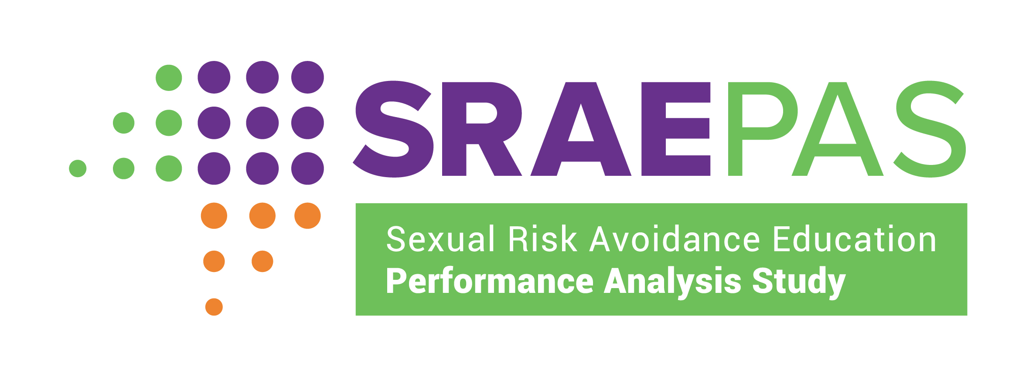
Grantee-Level Measures (Structure, Cost, and Support)
Overview
The Structure, Cost, and Support data entry worksheet is a tool for recording grantee and provider data, including: - How the grantee allocates SRAE funds - Grantee staffing levels - Observation, training, and technical assistance provided - List of provider organizations This Excel workbook is an optional tool that SRAE grantees may use to record performance measures data. This tool will not be submitted to the Family and Youth Services Bureau. Rather, grantees or their designees may use this tool to capture and organize information on the grantee-level structure, cost, and support performance measures, which they will enter into the SRAE Performance Measures Portal toward the end of the reporting period. Another optional tool, the Structure-Cost-Support Provider and Program-Level Data Tool, captures provider-level structure, cost, and support performance measures. A provider is an organization or agency that provides SRAE programming directly to youth—for example, nonprofit organizations; local government agencies (such as school districts, individual schools, or county health departments); or state government agencies (such as departments of education or corrections) that are directly responsible for operating SRAE-funded programs. Grantees may serve as providers, partner with other organizations to provide SRAE programming to youth, or both.
Entering Grantee and Provider Information
Enter grantee and provider data on the Structure, Cost, and Support worksheet. - Enter GRANTEE name at the top of the worksheet. - Enter GRANTEE funding, staffing, and support data on the left side of the worksheet. - Enter PROVIDERS in the Provider Name table on the right side of the worksheet. The table can hold up to 50 providers.
Questions or Technical Assistance
Additional information on the SRAE performance measures is available at www.sraepas.com.
For questions or technical assistance in using this data recording tool, contact: SRAEPerformanceMeasures@publicstrategies.com or toll-free at (833) 797-0166.

